Sheet1
 | How many Destinations | Names of Destinations | Train Color | List of Stocks* | Length | Done?: | Notes:
Albany | 3 | Syracuse | White & Red |  | 6 |  | 1st Destination starts from or nearest to 0 degrees (Circle Reference)
 |  | Binghamton | Pink |  | 6 |  | List of destinations are shown in order on the board from 1st destination then follow the list clockwise
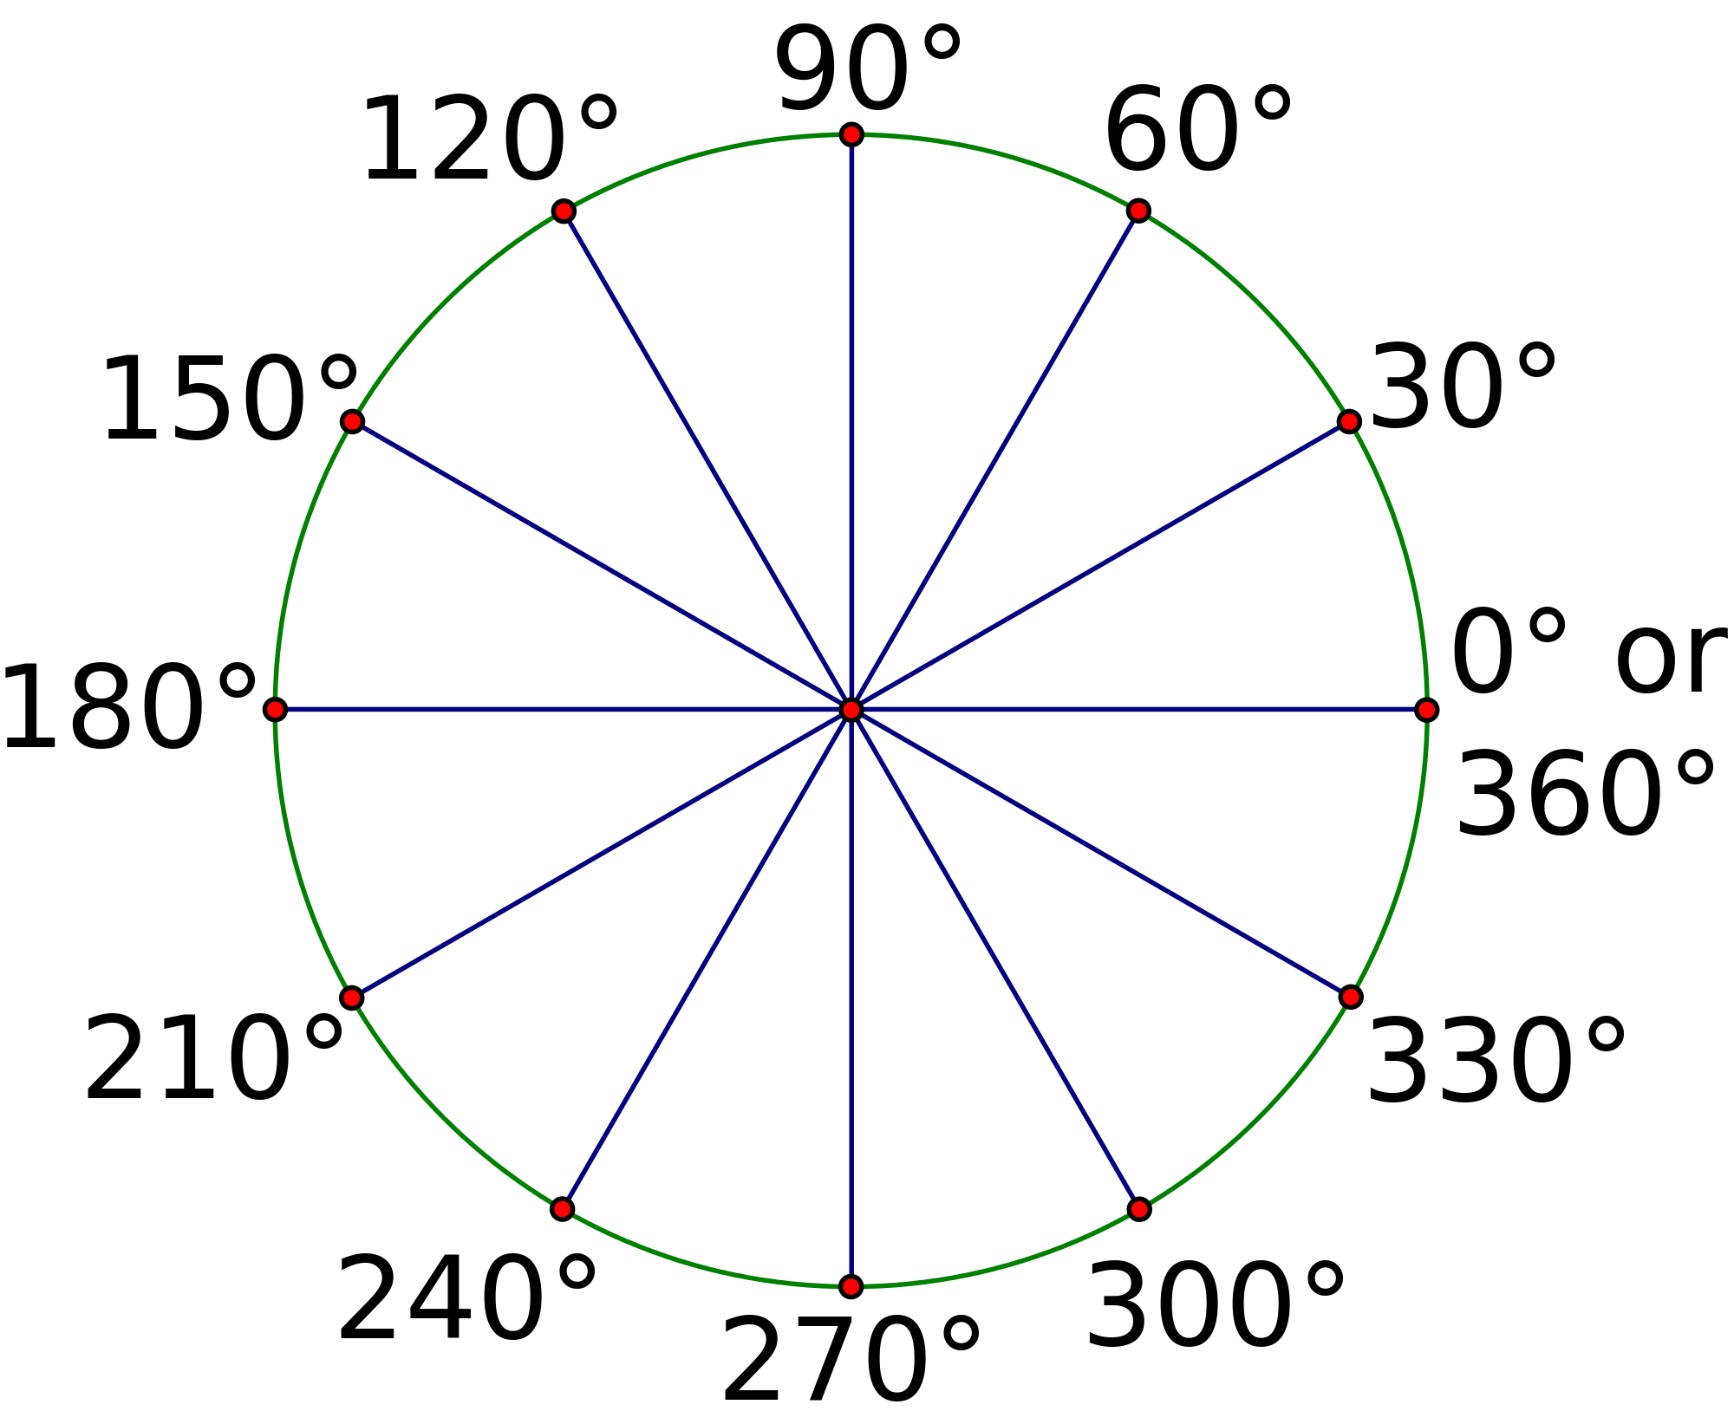
 |  | New York | Blue & Green |  | 6
Allentown | 4 | Harrisburg | Orange & Red
 |  | Lewiston | Green
 |  | Dubois | Grey
 |  | Johnstown | Yellow&Blue
Altoona | 4

Atlantic City | 2
Baltimore | 5
Binghamton | 5
Buffalo | 5 or 4
Chambersburg | 3
Coudersport | 4 |  |  |  |  |  | *Stocks(9 in total) are Categorized by Letter:
Cumberland | 4 |  |  |  |  |  | *A B
Dubois | 4
Elmira | 5
Erie | 6
Gettysburg | 4
HarrisBurg | 7
Johnstown | 3
Lancaster | 4
Lewiston | 3
MorganTown | 3
New York | 4
Oil City | 5
Ontario Left | 2
Ontario Right | 3 or 2
Philadelphia | 5
Pittsburgh | 5
Reading | 3
Rochester | 3
Scranton/Wikes Barre | 7
Stroudsburg | 2
Syracuse | 4
Towanda | 4
Warren | 5
Wheeling | 3
Williamsport | 5
York | 4
Youngstown | 4

